CHILDREN A
ATTENTION:
Please mark "X" when you want to sign up a competitor into the individual category.
Teams must be marked by code (letter and following number e.g. A1, A2, A3...) uniqe in national team. Competitors from one team in the same category must be marked by the same code.
 | Competition-Application Form |  | [country]
 | A. CHILDREN IV. AGE 6-7 YEARS (BORN IN 2009-2008) |  |  |  |  | INDIVIDUAL |  |  |  |  |  | TEAM
No | Surname | Name | Year of birth | Sex (M/F) | Weight (kg) | KATA |  | Kihon |  | Kihon-Ippon-Kumite |  | KATA |  | EN-BU
 |  |  |  |  |  | M | F | M | F | M | F | M | F | MM | MF
1
2
3
4
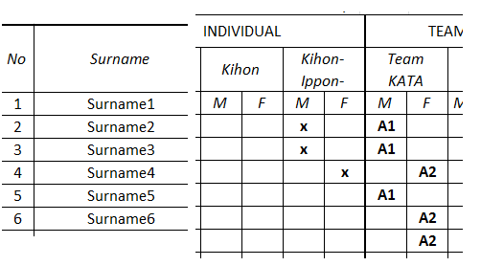
5
6
7
8
9
10
11
12
13
14
15
16
17
18
19
20
21
22
23
24
25

