CHILDREN B
ATTENTION:
Please mark "X" when you want to sign up a competitor into the individual category.
Teams must be marked by code (letter and following number e.g. A1, A2, A3...) uniqe in national team. Competitors from one team in the same category must be marked by the same code.
 | Competition-Application Form |  | [country]
 | B.CHILDREN III. AGE 8-9 YEARS (BORN IN 2007-2006) |  |  |  |  | INDIVIDUAL |  |  |  |  |  | TEAM
No | Surname | Name | Year of birth | Sex (M/F) | Weight (kg) | KATA |  | Kihon |  | Kihon-Ippon-Kumite |  | KATA |  | EN-BU
 |  |  |  |  |  | M | F | M | F | M | F | M | F | MM | MF
1
2
3
4
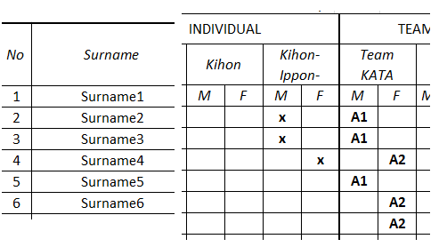
5
6
7
8
9
10
11
12
13
14
15
16
17
18
19
20
21
22
23
24
25

