CHILDREN D
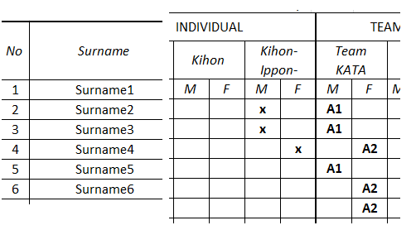
 | Competition-Application Form |  |  |  |  | [country]
 | D. CHILDREN I. AGE 12-13 YEARS (BORN IN 2003-2002)

 |  |  |  |  |  | INDIVIDUAL |  |  |  |  |  |  |  | Individual Free Style Kumite (weight classes) |  |  |  |  |  |  |  | TEAM
No | Surname | Name | Year of birth | Sex (M/F) | Weight (kg) | KATA |  | Jiyu-Ippon-Kumite |  | Ko-Go-Kumite |  | KATA Ko-Budo |  | -40kg | -45kg | -50kg | -55kg | +55kg | -40kg | -45kg | +45kg | KATA |  | EN-BU |  | Ko-Go-Kumite |  | Free Style Kumite (rules weight classes)
 |  |  |  |  |  | M | F | M | F | M | F | M | F | M | M | M | M | M | F | F | F | M | F | MM | MF | M | F | M | F
1
2
3
4
5
6
7
8
9
10
11
12
13
14
15
16
17
18
19
20
21
22
23
24
25
ATTENTION:
Please mark "X" when you want to sign up a competitor into the individual category.
Teams must be marked by code (letter and following number e.g. A1, A2, A3...) uniqe in national team. Competitors from one team in the same category must be marked by the same code.

